3A(Part1)
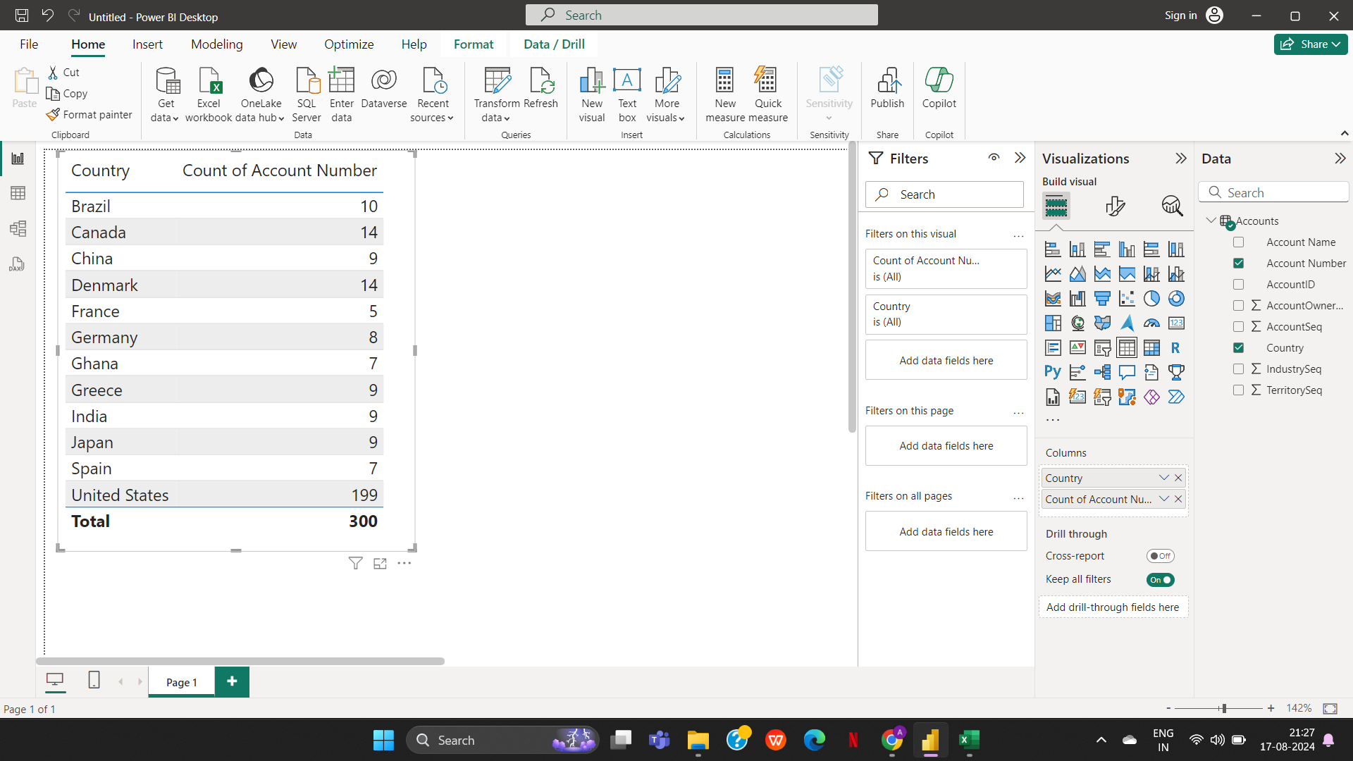
Level 1 (Part 1)
Business Data

3a. Represent the data, which includes the total count of account numbers against the country, in a tabular format.

3B(Part1)
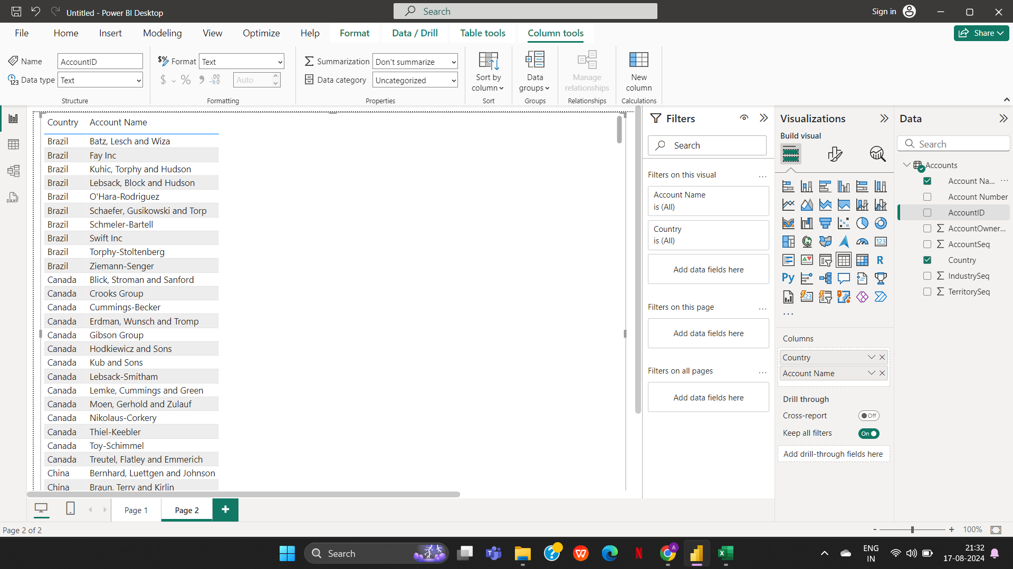
3b. Insert another table and represent the data on the country-wise Account holder's name.

3C(Part1)
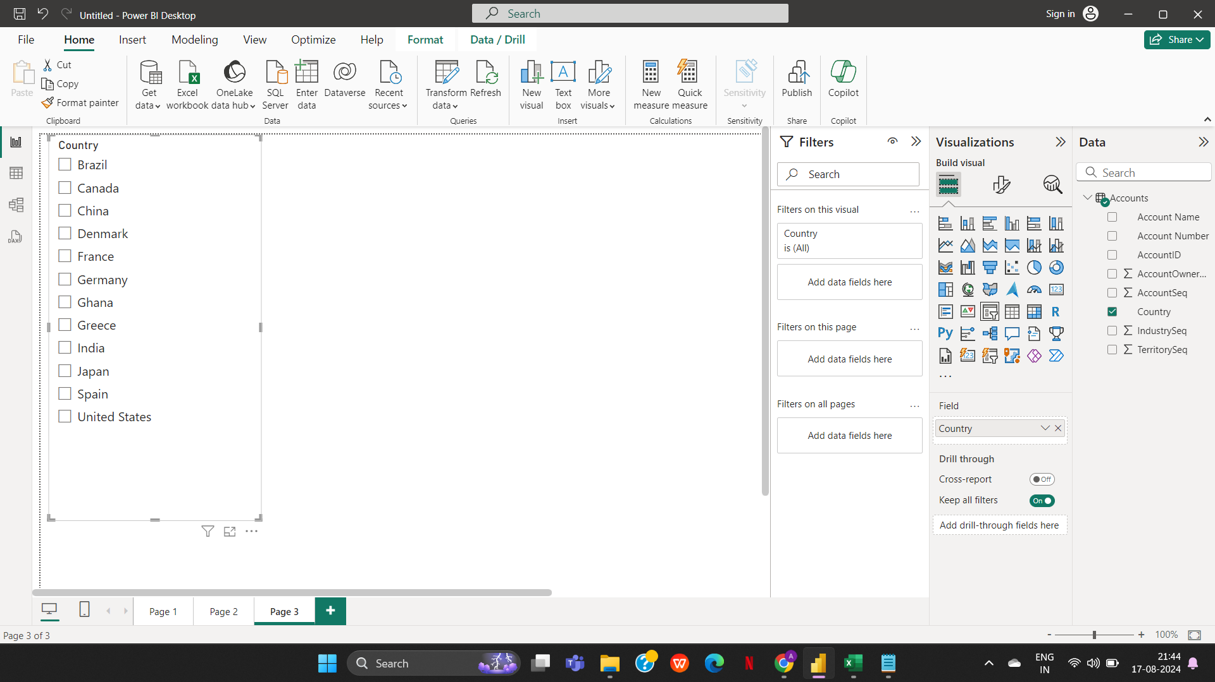
3c. Insert a slicer from the visualisation section and add a country-wise filter.

3D(Part1)
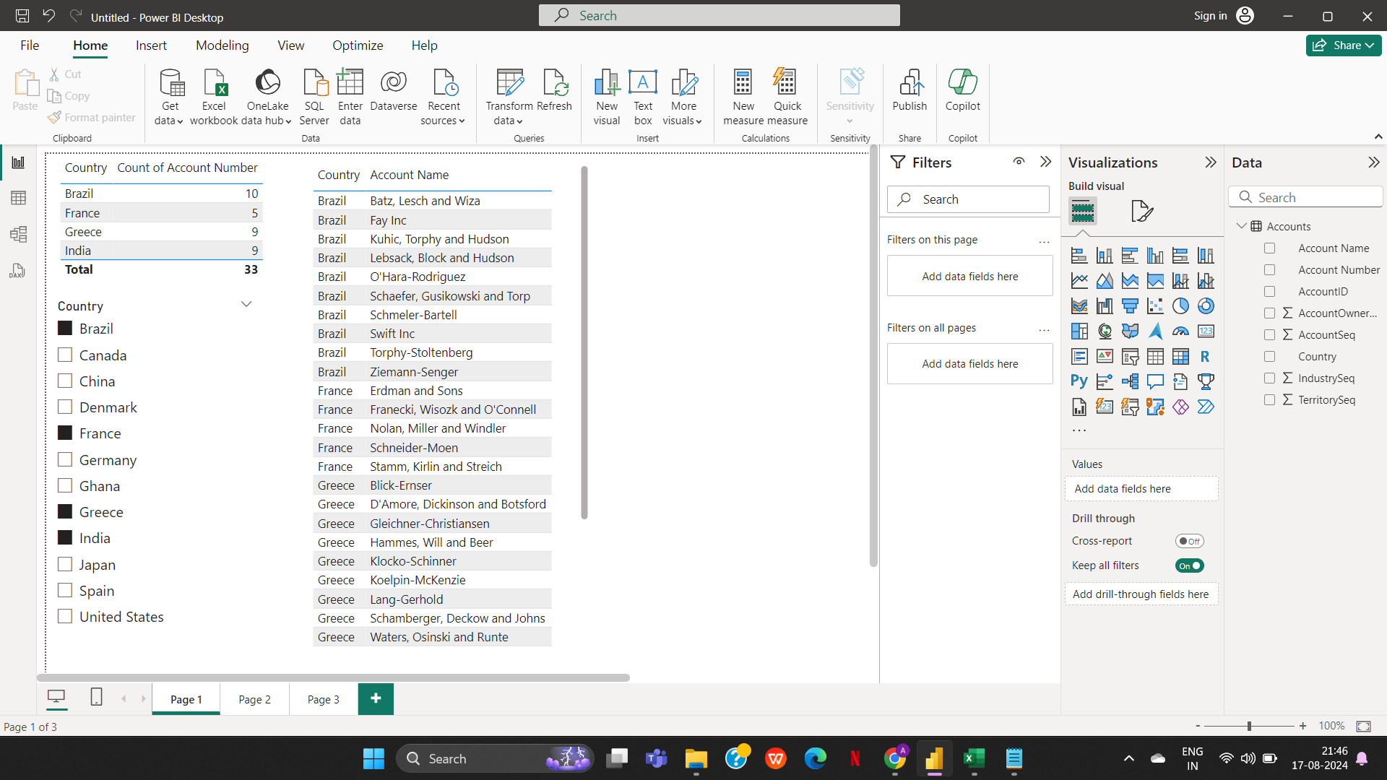
3d. Represent the data of India, Brazil, Greece, and France together.

2A(Part2)
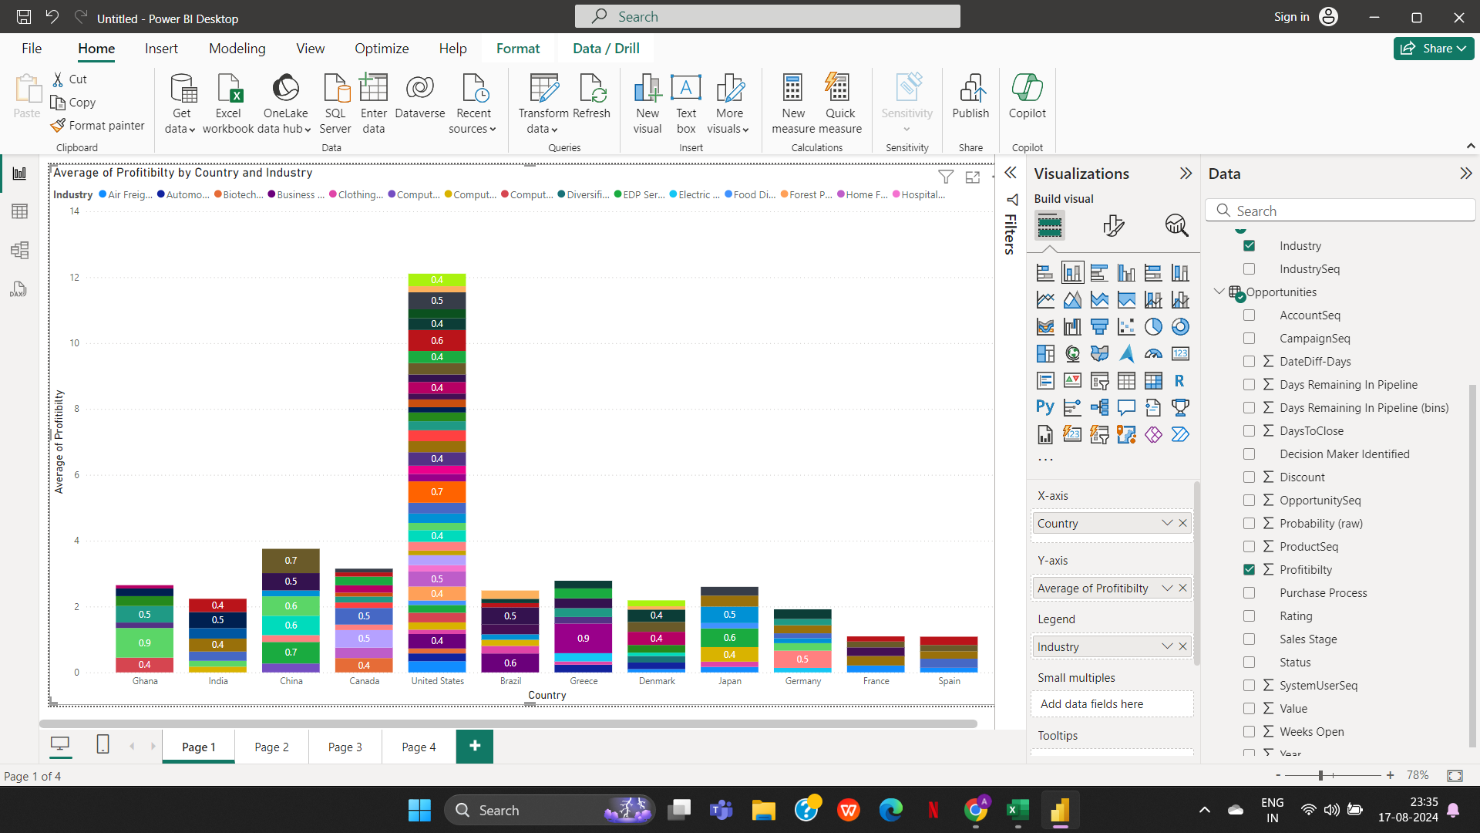
2a. Country-wise industry and average profitability margin (in Percentage %)

2B(Part2)
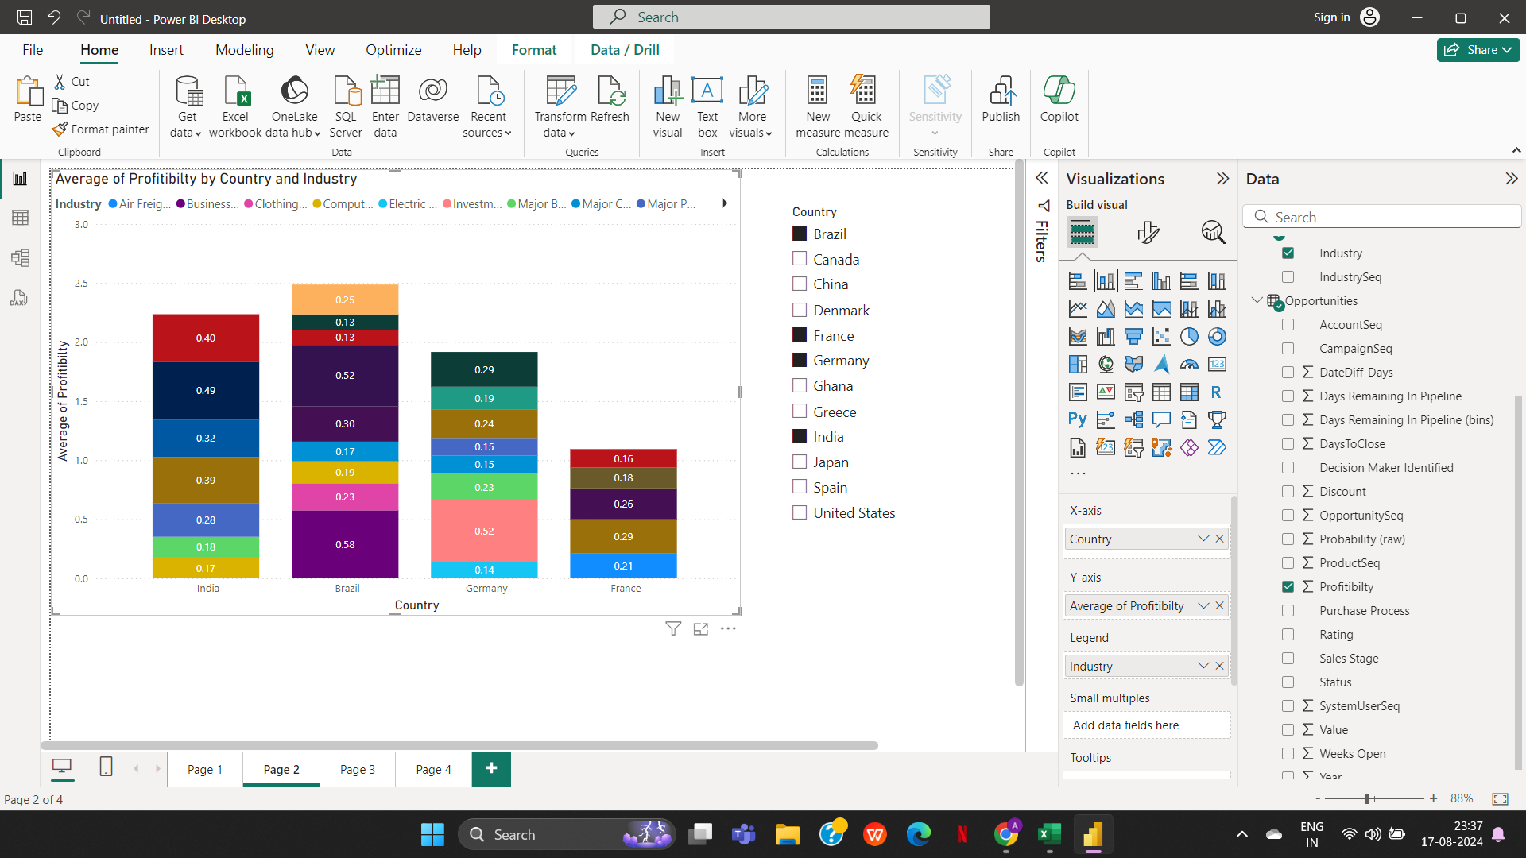
2b. Add a separate filter so that country-wise industry and profitability margins can be shown based on the selective countries (There is no bar on country selection).

3A(Part2)
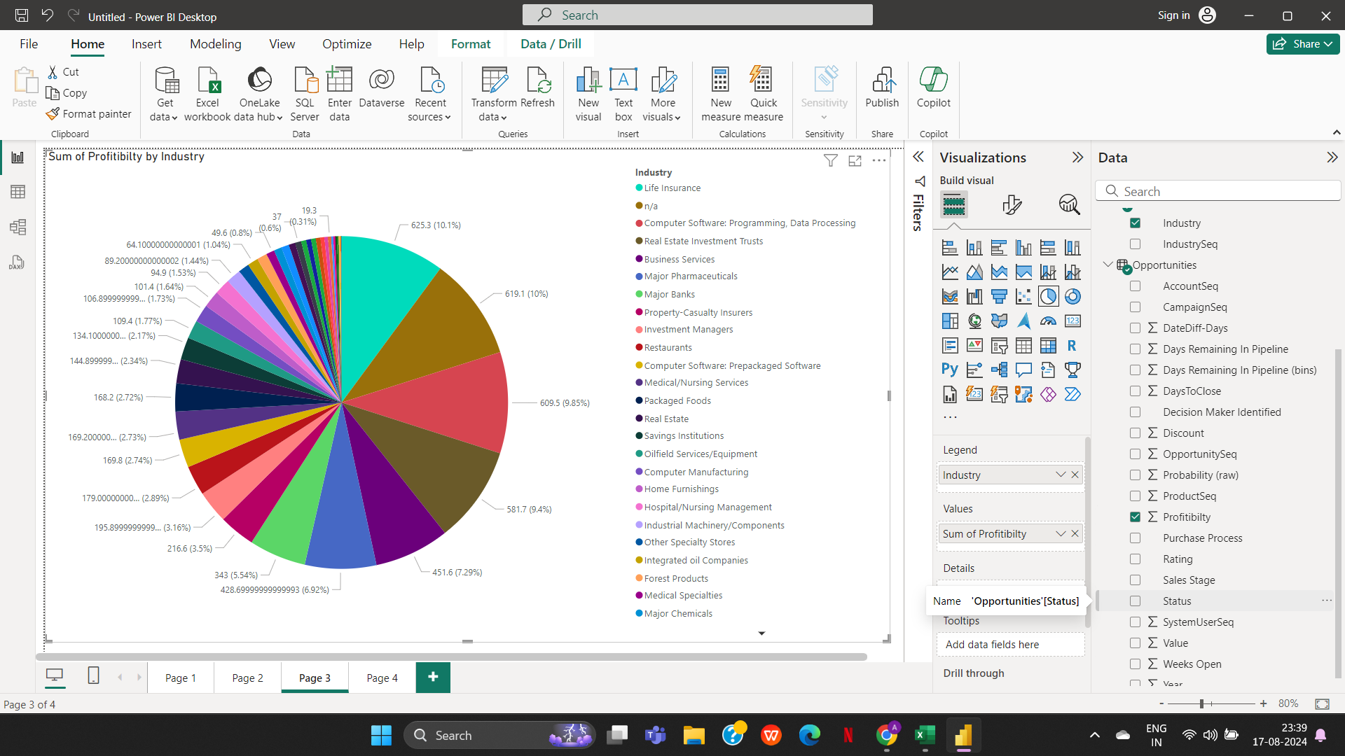
3a. Industry-wise profitability percentage

3B(Part2)
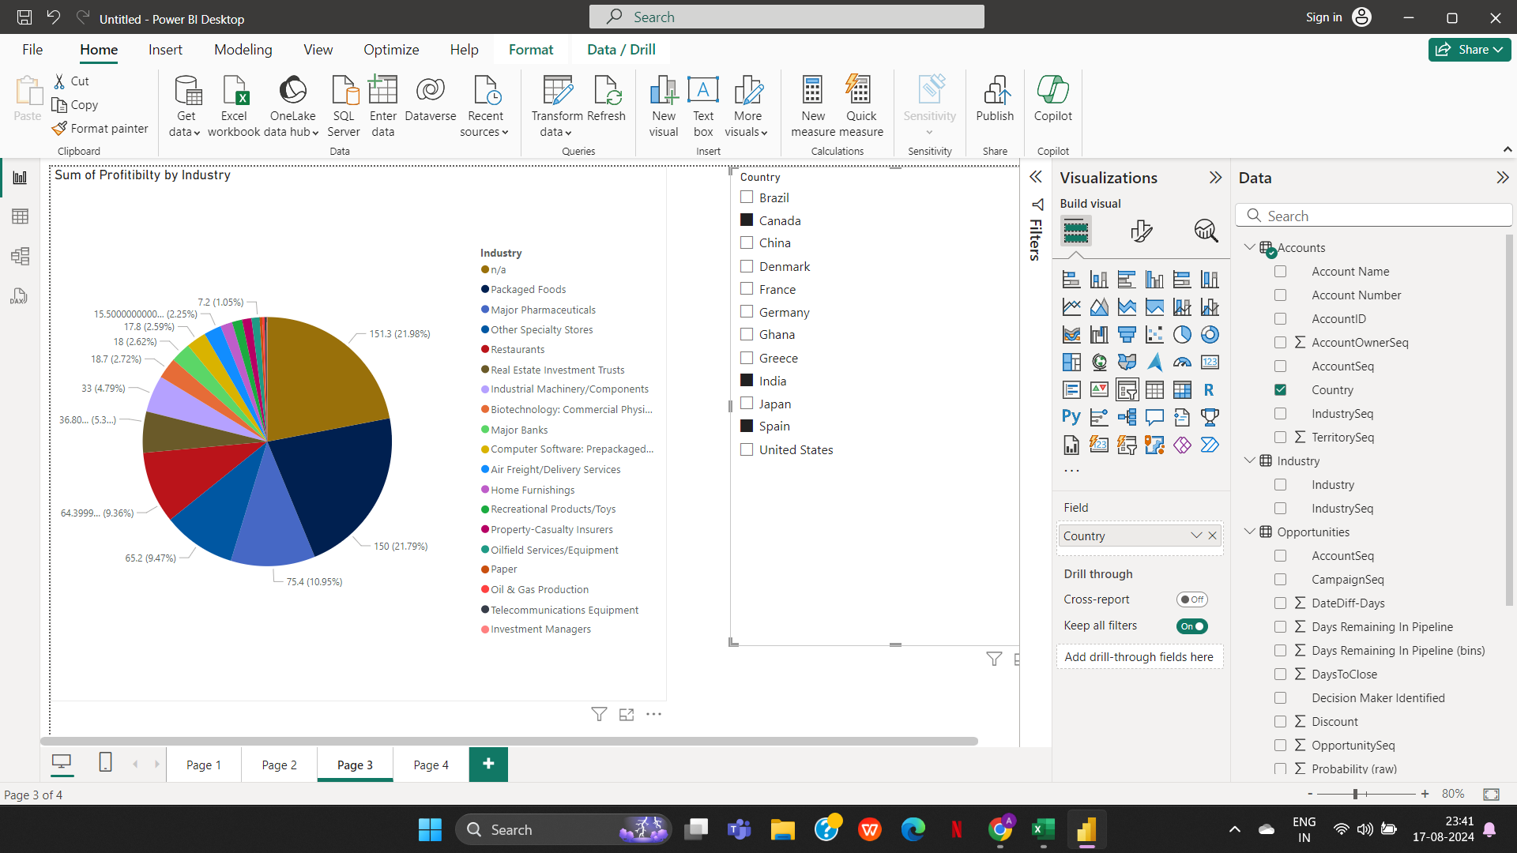
3b. The data should be visualised in single or multiple country-wise

4 (Part2)
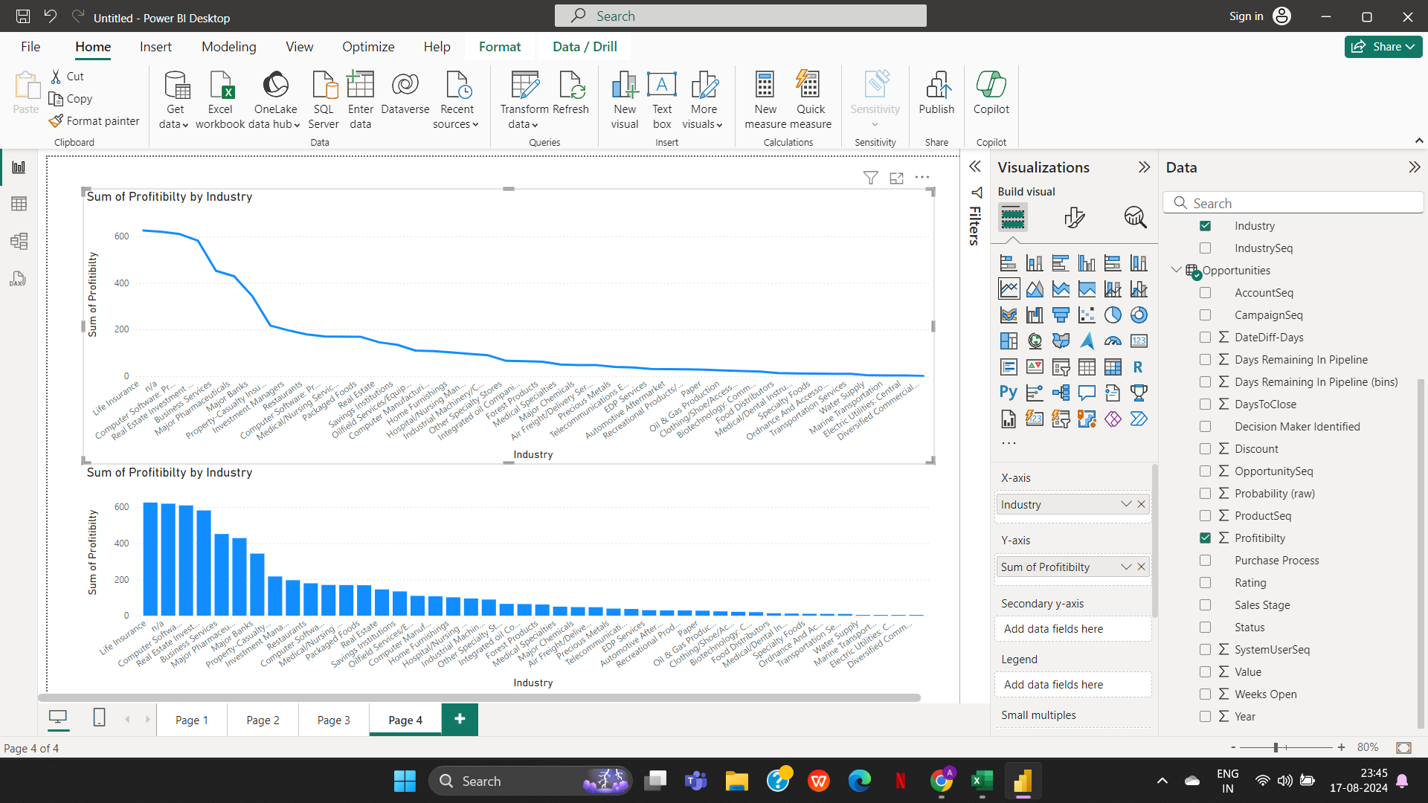
4. Present the data that shows industry-wise profitability trends by taking the Line & stacked column chart from the visualisation section.

5(Part2)
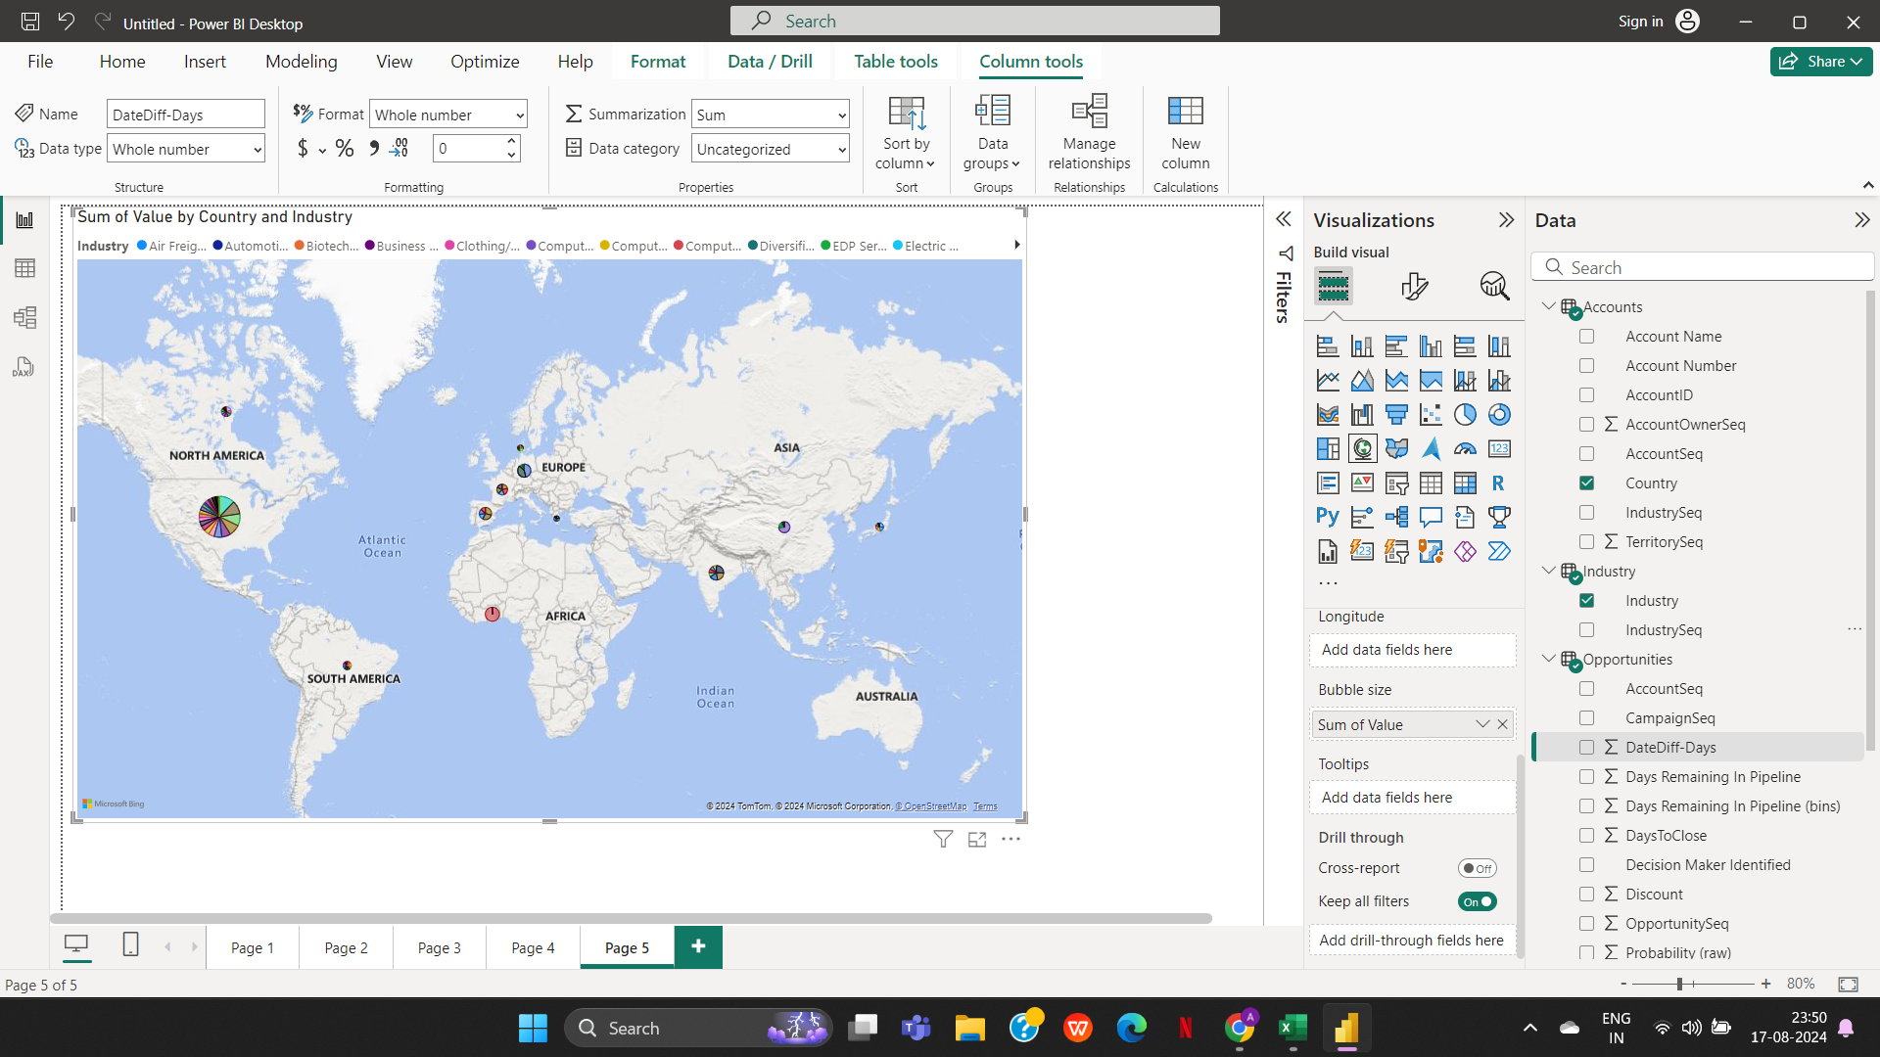
5. Present the data to show country-wise industry market values and industrywise presence by taking the map chart.

